1. Title Page
Grocery Basket Analysis

Project Name: Grocery Basket Analysis
Date: 8/1/2022
Analyst Name: Harry Maione

Contents:
Population Flow
Consistency checks
Wrangling steps
Column derivations
Visualizations
Recommendations

Data Citation: | “The Instacart Online Grocery Shopping Dataset 2017”, Accessed from https://www.instacart.com/datasets/grocery-shopping-2017 on 8/1/2022.

2. Population Flow
Population flow

Exclusion flag
Condition: max_order < 5
Obervations to be removed: 3131208
Final total count of order_products_all: 29,303,381

Orders_products_combined
Orders_products_merged
Orders_products_all

Total: 29,303,291
Total: 30,356,421
Total: 29,303,281

3. Consistency checks
 |  |  |  | Title page
Consistency checks

Dataset | Missing values | Missing values treatment | Duplicates
orders
products | Removed rows with NAN for product name |  | removed 5 dupilcates
orders_products_prior
customers | removed 206,209 rows where days_since_prior_order NaN

4. Wrangling steps
 |  |  |  | Title page
Wrangling steps

Columns dropped | Columns renamed | Columns' type changed | Comment/Reason
Dropped eval column |  |  | Not needed for analysis
 | Changed order_dow to order_day_of_week |  | Clarity
 |  | Changed order_id data type to string | correct data type
 |  | Changed user_id data type to string | correct data type
Dropped unnmaed column 1 and 2 |  |  | Not needed for analysis
 | changed order_hour_of_day to order_time_of_day |  | Clarity
 |  | changed order_time_of_day from int64 to int8 | Memory Ram issue
 |  | change day_since_last_order from float64 to float 16 | Memory Ram issue
 | Renamed column surnam to Last_Name |  | typo
 | Renamed column first name to First_Name |  | Clarity
 | Renamed column n_dependants to no_of_dependents |  | Clarity
 |  | Changed First_Name data type to string | was mixed data type
 |  | changed Product_id data type from int64 to int32 | Memory Ram issue
 |  | Changed reorder data from int64 to int8 | Memory Ram issue
 |  | Changed order_id data type from int64 to int32 | Memory Ram issue
 |  | Changed add_to_cart order data type from int64 to int32 | Memory Ram issue
Dropped First_Name and Last_Name columns |  |  | Privacy Issue

5. Column derivations
Column derivations and aggregations

Dataset | New column | Column/s it was derived from | Conditions
ords_prods_merged | max_order | order_number | max taken from order_number
ords_prods_merged | loyalty flag | max_order | > 40 = Loyal Customer; Between 10 and 40 = Regular Customer; Under 10 = New Customer
ords_prods_merged | price_range_loc | prices | <= 5 Low Range , <= 15 & > 5 = Mid Range; < 5 = Low Range
ords_prods_merged | busiest days | orders_day_of_week | Value of 0 or 1 = busiest days; 3 or 4 = least busy days ; rest = regularly busy
ords_prods_merged | busiest period of day | order_time_of_day | Value >= 10 and <=16 = Most orders; >=0 and <=6 = Fewest orders; rest = average orders
ords_prods_merged | avg_spent | user_id and price | mean of prices per user_id
ords_prods_merged | spender_flag | avg_spent | >=10 is high spender ; <10 means low spender
ords_prods_merged | median_days_since_order | user_id , days_since_prior_order | grouped median of days_since_prior_order by user_id
ords_prods_merged | frequency_flag | median_days_since_order | >20 = non frequent customer; >10 and <= 20 = frequent customer ; < 10 = frequent customer
instacart | region | STATE | States divided into regions based on Northeast, Midwest, South, West
instacart | exclusion flag | max_order | < 5 = low activity, >= 5 means Regular Activity
df_reg_activity | age_profile | age | >=18 and <=24 = young adult; >=25 and <
df_reg_activity | income_profie | income | <33k = low income; >=33k to <55k = lower middle; >=55k to 106k = middle; >= 106 to 350k = upper middle; 350k and up = upper
df_reg_activity | dependent_profile | no_of_dependents | 0= individual ; >=1 = Family

6. Visualizations+Recommends
Visualisations And Recommedations

Key Question 1: What are the busiest days of the week and hours of the day.
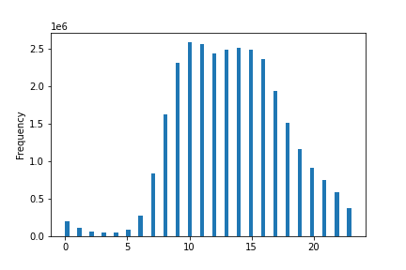


 |  |  |  | Frequency

 |  | Hour_of_day
 |  |  |  |  | Day_of_week
Comments: The busiest days of the week are Saturday and Sunday. The busiest hours of the day are between 9am and 2pm.
Recommendation: Offer sales and promotions during slower hours and on slower days.

Key Question 2: Whether there are particular times of the day when people spend the most money.

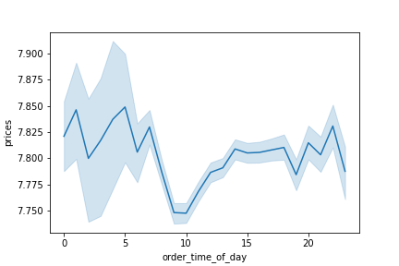

Comments: Customers appear to spend the most money between midnight and 5am.
Recommendation:

Key Questions 3: Marketing wants to use simpler price range groupings

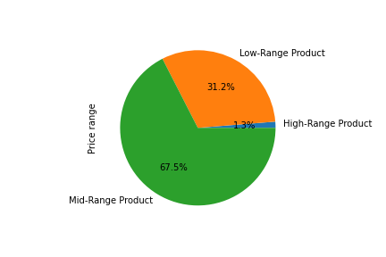

 |  |  |  | Prices

Comments: Most of the items are priced under $15 with the majority of them between $5 and $15.
Recommendation: Continue to offer items in the mid to low product price range as they are most popular.

Key Question 4: Are certain products more popular than others. Which departments have the highest frequency of product orders
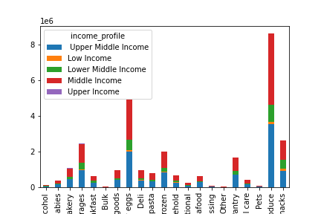

 | Departments

Comments: The three most popular departments are produce, beverages and dairy eggs
Recommendation: Products that tend to expire fast are the most popular. Also the ones used more frequently. Bulk is order the less as those orders tend to be done in person or at membership chains.

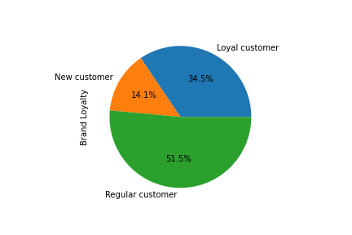
Key Question 5A: What is the distribution among users in regards to brand loyalty

Comments: A little over a third of customers return to Instacart within 10 days of ordering
Recommendation: Create a loyalty program with rewards to encourage new and regualr cusomters to order more frequently. Perhaps a reward that expires monthly unless used.

Key Questions 5B: Are there differences in ordering habits based on customer loyalty status?
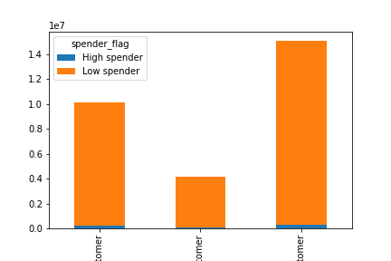

Comments: It appears most customers regardless of loyalty standing are low spenders
Recommendation: Most customers tend to use instacart for small purchases. Perhaps a tier reward program with the more you spend the better the reward. Also can offer free shipping after a certain dollar amount is spent.
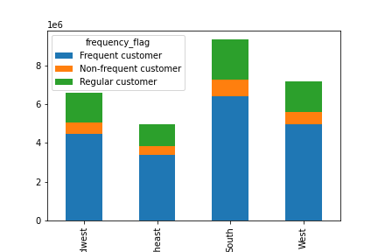
Key Questions 5C: Is there a difference in ordering habits based on customer region?

Comments: The most popular region is the South
Recommendation: Increase advertising in areas that aren't as popular as the south.

Key Questions 5D: Is there a connection between age and family status in terms of ordering?
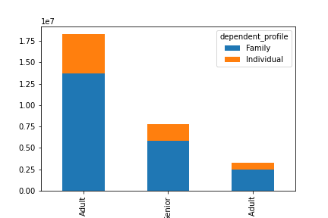

Comments: Adults make up the most orders whether they have a family or not. Young adults represent the least orders. Families overall order more than individuals.
Recommendation: Familes tend to be the ones who order the most frequent potentially due to lack of free time. Capitalize on this by offering sales on family-sized products.
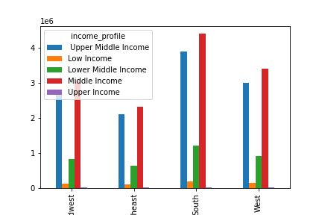
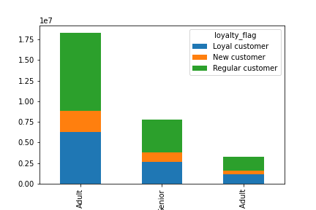
Key Questions 6: What different classificaitons does the demographic information suggest (age, income, certain types of goods, family status)

Comments: Adults are the most loyal demograhic. Middle and upper middle income customers make up majority of orders regardless of region.
Recommendation: Offering a student discout or adveristing on popular young adult social media websites to increase sales in our weakest area. Could look into hiring a social media influencer as a sponser.

Key Questions 7: What differences can you find in the ordering habits of difference customer profiles?

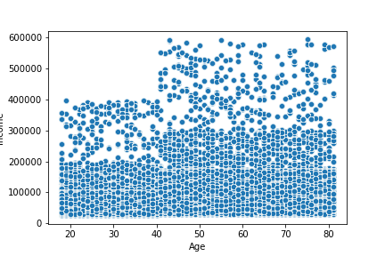

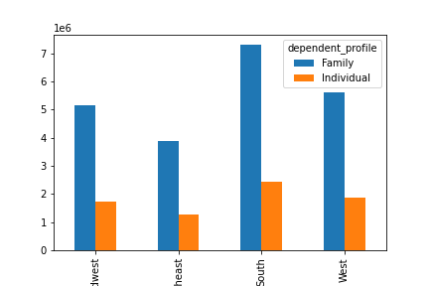

 |  |  | Comment: Customers who have familes order more as do ones in higher income brackets.
 |  |  | The South is the most popular region. Orders tend to be of the "quick shopping" varitey.
 |  |  | Meaning idems that need to be purchased weekly because they expire.

 |  |  | Recommendation: Offer reward programs to your loyal and frequent customers.
 |  |  | A referral program can help gain customers by word of mouth. Offer sales on items not regularly purchased.

